Sheet1
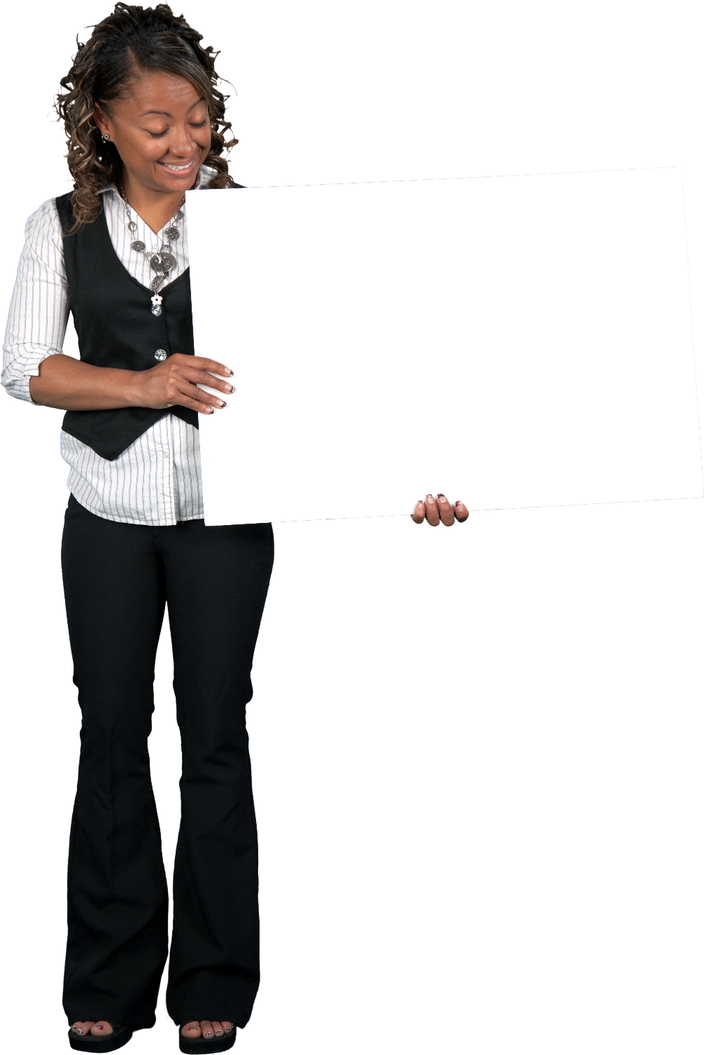
Provide a formula to list the maximum number of items (one unit only of each item) which can be bought in $150 from A2:A10. Retain the original sort order of items in answer
Items | Cost ($) | Answer Expected
Chair | 24 | Chair
Table | 85 | Bed
Bed | 19 | Cushion
Curtain | 81 | Tea cup
Cushion | 24 | Carpet
Tea cup | 52
Carpet | 24
Lamp | 75
Fan | 75

